D1
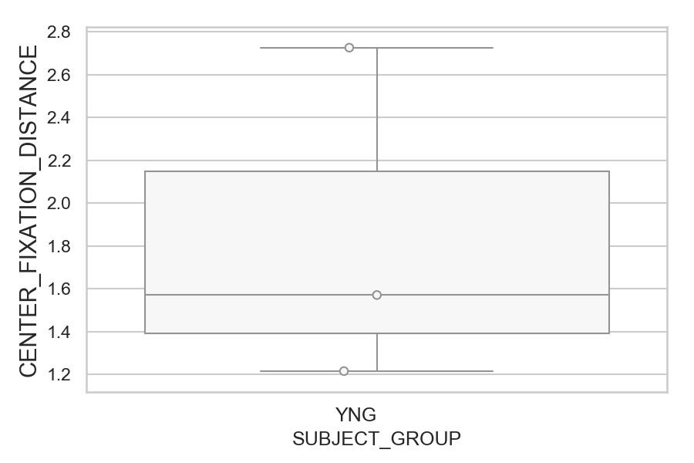
Distance (in degrees) from screen center during fixation period (median of all fixations per trial) (mean of trials per subject)
SUBJECT_NAME | SUBJECT_GROUP | SUBJECT_AGE | VALUE
MP1 | YNG |  | 2.7253429521
AW002AF | YNG | 19 | 1.5710529455
AW001CG | YNG | 19 | 1.2159309084

D1 (types)
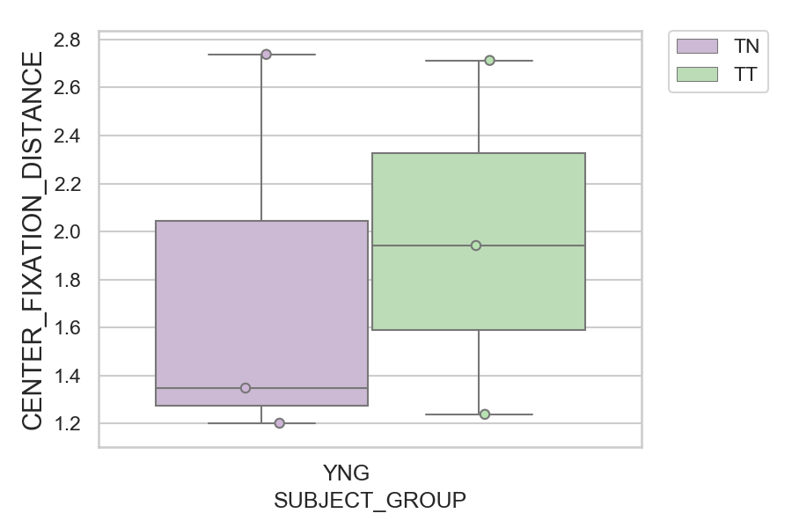
Distance (in degrees) from screen center during fixation period (median of all fixations per trial) (mean of trials per subject)
SUBJECT_NAME | SUBJECT_GROUP | CONDITION_APPEARANCE | SUBJECT_AGE | VALUE
MP1 | YNG | TN |  | 2.7379048686
MP1 | YNG | TT |  | 2.7127810355
AW002AF | YNG | TT | 19 | 1.9419582695
AW002AF | YNG | TN | 19 | 1.3485097511
AW001CG | YNG | TT | 19 | 1.2390579017
AW001CG | YNG | TN | 19 | 1.2020547124

